LALR(1)
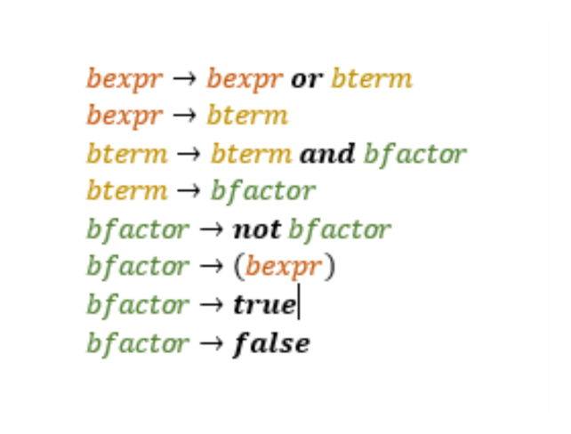
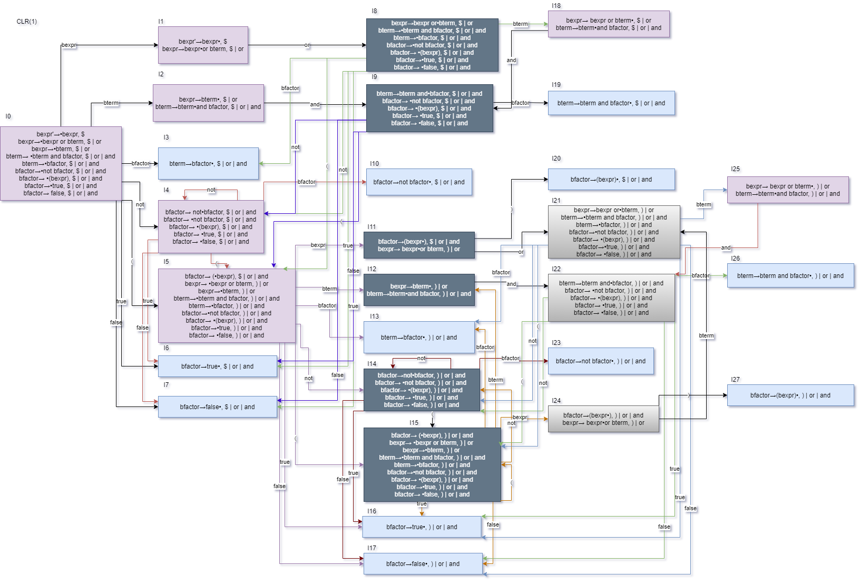
 | ACTION |  |  |  |  |  |  |  | GOTO
 | Or | And | Not | True | False | ( | ) | $ | bexpr | bterm | bfactor
I0 |  |  | S4-14 | S6-16 | S7-17 | S5-15 |  |  | 1 | 2-12 | 3-13
I1 | S8-21 |  |  |  |  |  |  | ACCEPT
I2-12 | R2 | S9-22 |  |  |  |  | R2 | R2
I3-13 | R4 | R4 |  |  |  |  | R4 | R4
I4-14 |  |  | S4-14 | S6-16 | S7-17 | S5-15 |  |  |  |  | 10-23
I5-15 |  |  | S4-14 | S6-16 | S7-17 | S5-15 |  |  | 11-24 | 2-12 | 3-13
I6-16 | R7 | R7 |  |  |  |  | R7 | R7
I7-17 | R8 | R8 |  |  |  |  | R8 | R8
I8-21 |  |  | S4-14 | S6-16 | S7-17 | S5-15 |  |  |  | 18-25 | 3-13
I9-22 |  |  | S4-14 | S6-16 | S7-17 | S5-15 |  |  |  |  | 19-26
I10-23 | R5 | R5 |  |  |  |  | R5 | R5
I11-24 | S8-21 |  |  |  |  |  | S20-27
I18-25 | R1 | S9-22 |  |  |  |  | R1 | R1
I19-26 | R3 | R3 |  |  |  |  | R3 | R3
I20-27 | R6 | R6 |  |  |  |  | R6 | R6

